Read first
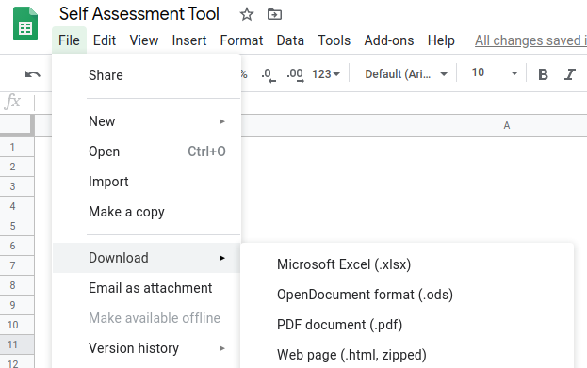
Welcome to GEN Europe's Self Assessment Tool
This tool gives you an insight in the development of your eco community.

In order to use this form you will have to either copy it into your drive or download it.

After that you can complete the "Survey" for your community and then see the "Results" in their respective tabs.
You can also check the average and variance of several people individually filling in the survey for the same community in the tab "Groups"

Copying it into your drive by clicking File -> Make a Copy:
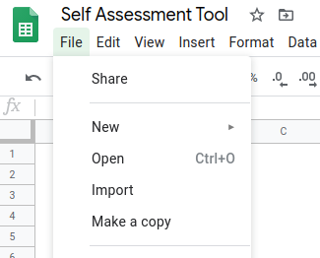

Downloading it (we recommend to download as OpenDocument Format file (.ods)

Results
Scroll down to see all results
Individual
Background | 0
Respect | 0
Self-Responsibility | 0
Personal needs | 0
Attitude | 0
Balance between individual and group | 0
Personal Intention | 0
Skills | 0
Community
Group Identity and community spirit
Communication
Rituals and celebration
Group meetings
Sharing joyful activities
Art and creativity
Love, care, sexuality
Dealing with conflict
Respect

Intention
Vision
Mission / goals
Cornerstones
Values
Adaptation and Resilience
External Relations and Networks
Positioning in society
Implementation of Intention
Structure
Decision-making
Governance
Information Management
Ownership-Issues
Economic Organisation
Rank and Leadership
Project Management,
Feedback

Average Result
I | 0
Community | 0
Intention | 0
Structure | 0

